Regions
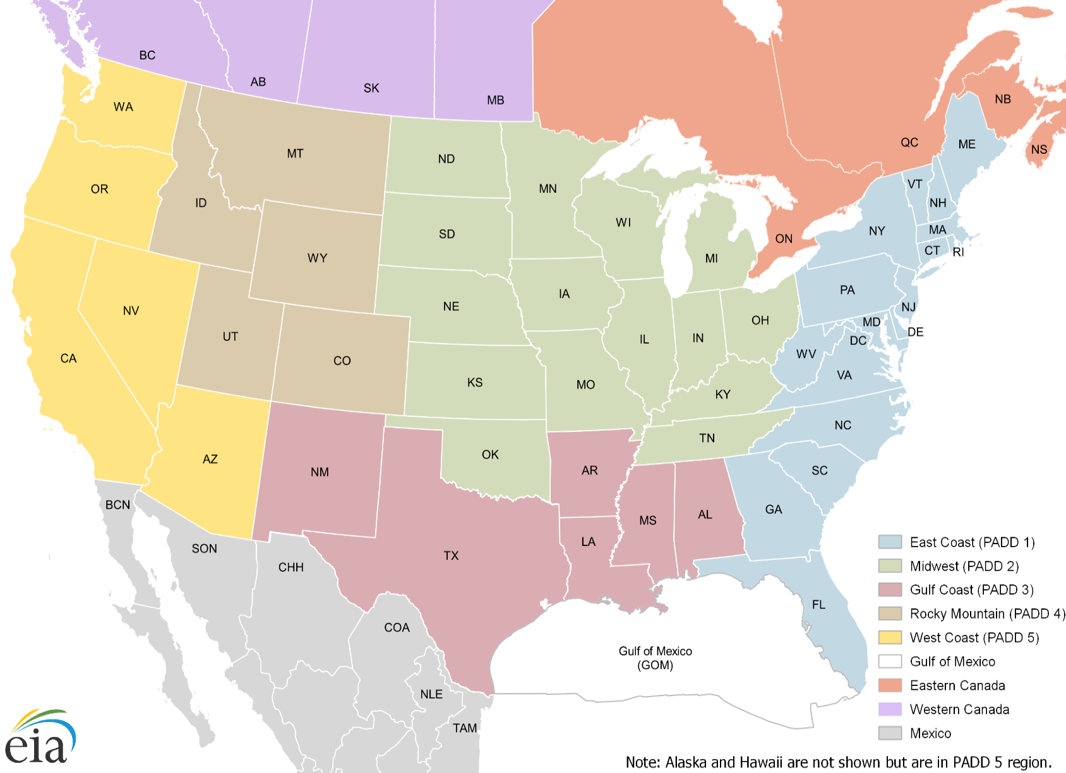
State Name | State | Region
Alabama | AL | PADD 3
Alaska | AK | PADD 5
Arizona | AZ | PADD 5
Arkansas | AR | PADD 3
California | CA | PADD 5
Colorado | CO | PADD 4
Connecticut | CT | PADD 1
Delaware | DE | PADD 1
District of Columbia | DC | PADD 1
Florida | FL | PADD 1
Georgia | GA | PADD 1
Gulf of Mexico | GM | Offshore
Hawaii | HI | PADD 5
Idaho | ID | PADD 4
Illinois | IL | PADD 2
Indiana | IN | PADD 2
Iowa | IA | PADD 2
Kansas | KS | PADD 2
Kentucky | KY | PADD 2
Louisiana | LA | PADD 3
Maine | ME | PADD 1
Maryland | MD | PADD 1
Massachusetts | MA | PADD 1
Michigan | MI | PADD 2
Minnesota | MN | PADD 2
Mississippi | MS | PADD 3
Missouri | MO | PADD 2
Montana | MT | PADD 4
Nebraska | NE | PADD 2
Nevada | NV | PADD 5
New Hampshire | NH | PADD 1
New Jersey | NJ | PADD 1
New Mexico | NM | PADD 3
New York | NY | PADD 1
North Carolina | NC | PADD 1
North Dakota | ND | PADD 2
Ohio | OH | PADD 2
Oklahoma | OK | PADD 2
Oregon | OR | PADD 5
Pennsylvania | PA | PADD 1
Rhode Island | RI | PADD 1
South Carolina | SC | PADD 1
South Dakota | SD | PADD 2
Tennessee | TN | PADD 2
Texas | TX | PADD 3
Utah | UT | PADD 4
Vermont | VT | PADD 1
Virginia | VA | PADD 1
Washington | WA | PADD 5
West Virginia | WV | PADD 1
Wisconsin | WI | PADD 2
Wyoming | WY | PADD 4
Alberta | AB | Western Canada
British Columbia | BC | Western Canada
Manitoba | MB | Western Canada
New Brunswick | NB | Eastern Canada
Nova Scotia | NS | Eastern Canada
Ontario | ON | Eastern Canada
Quebec | QC | Eastern Canada
Saskatchewan | SK | Western Canada
Baja California | BCN | Mexico
Chihuahua | CHH | Mexico
Coahuila | COA | Mexico
Nuevo León | NLE | Mexico
Sonora | SON | Mexico
Tamaulipas | TAM | Mexico

